Cover
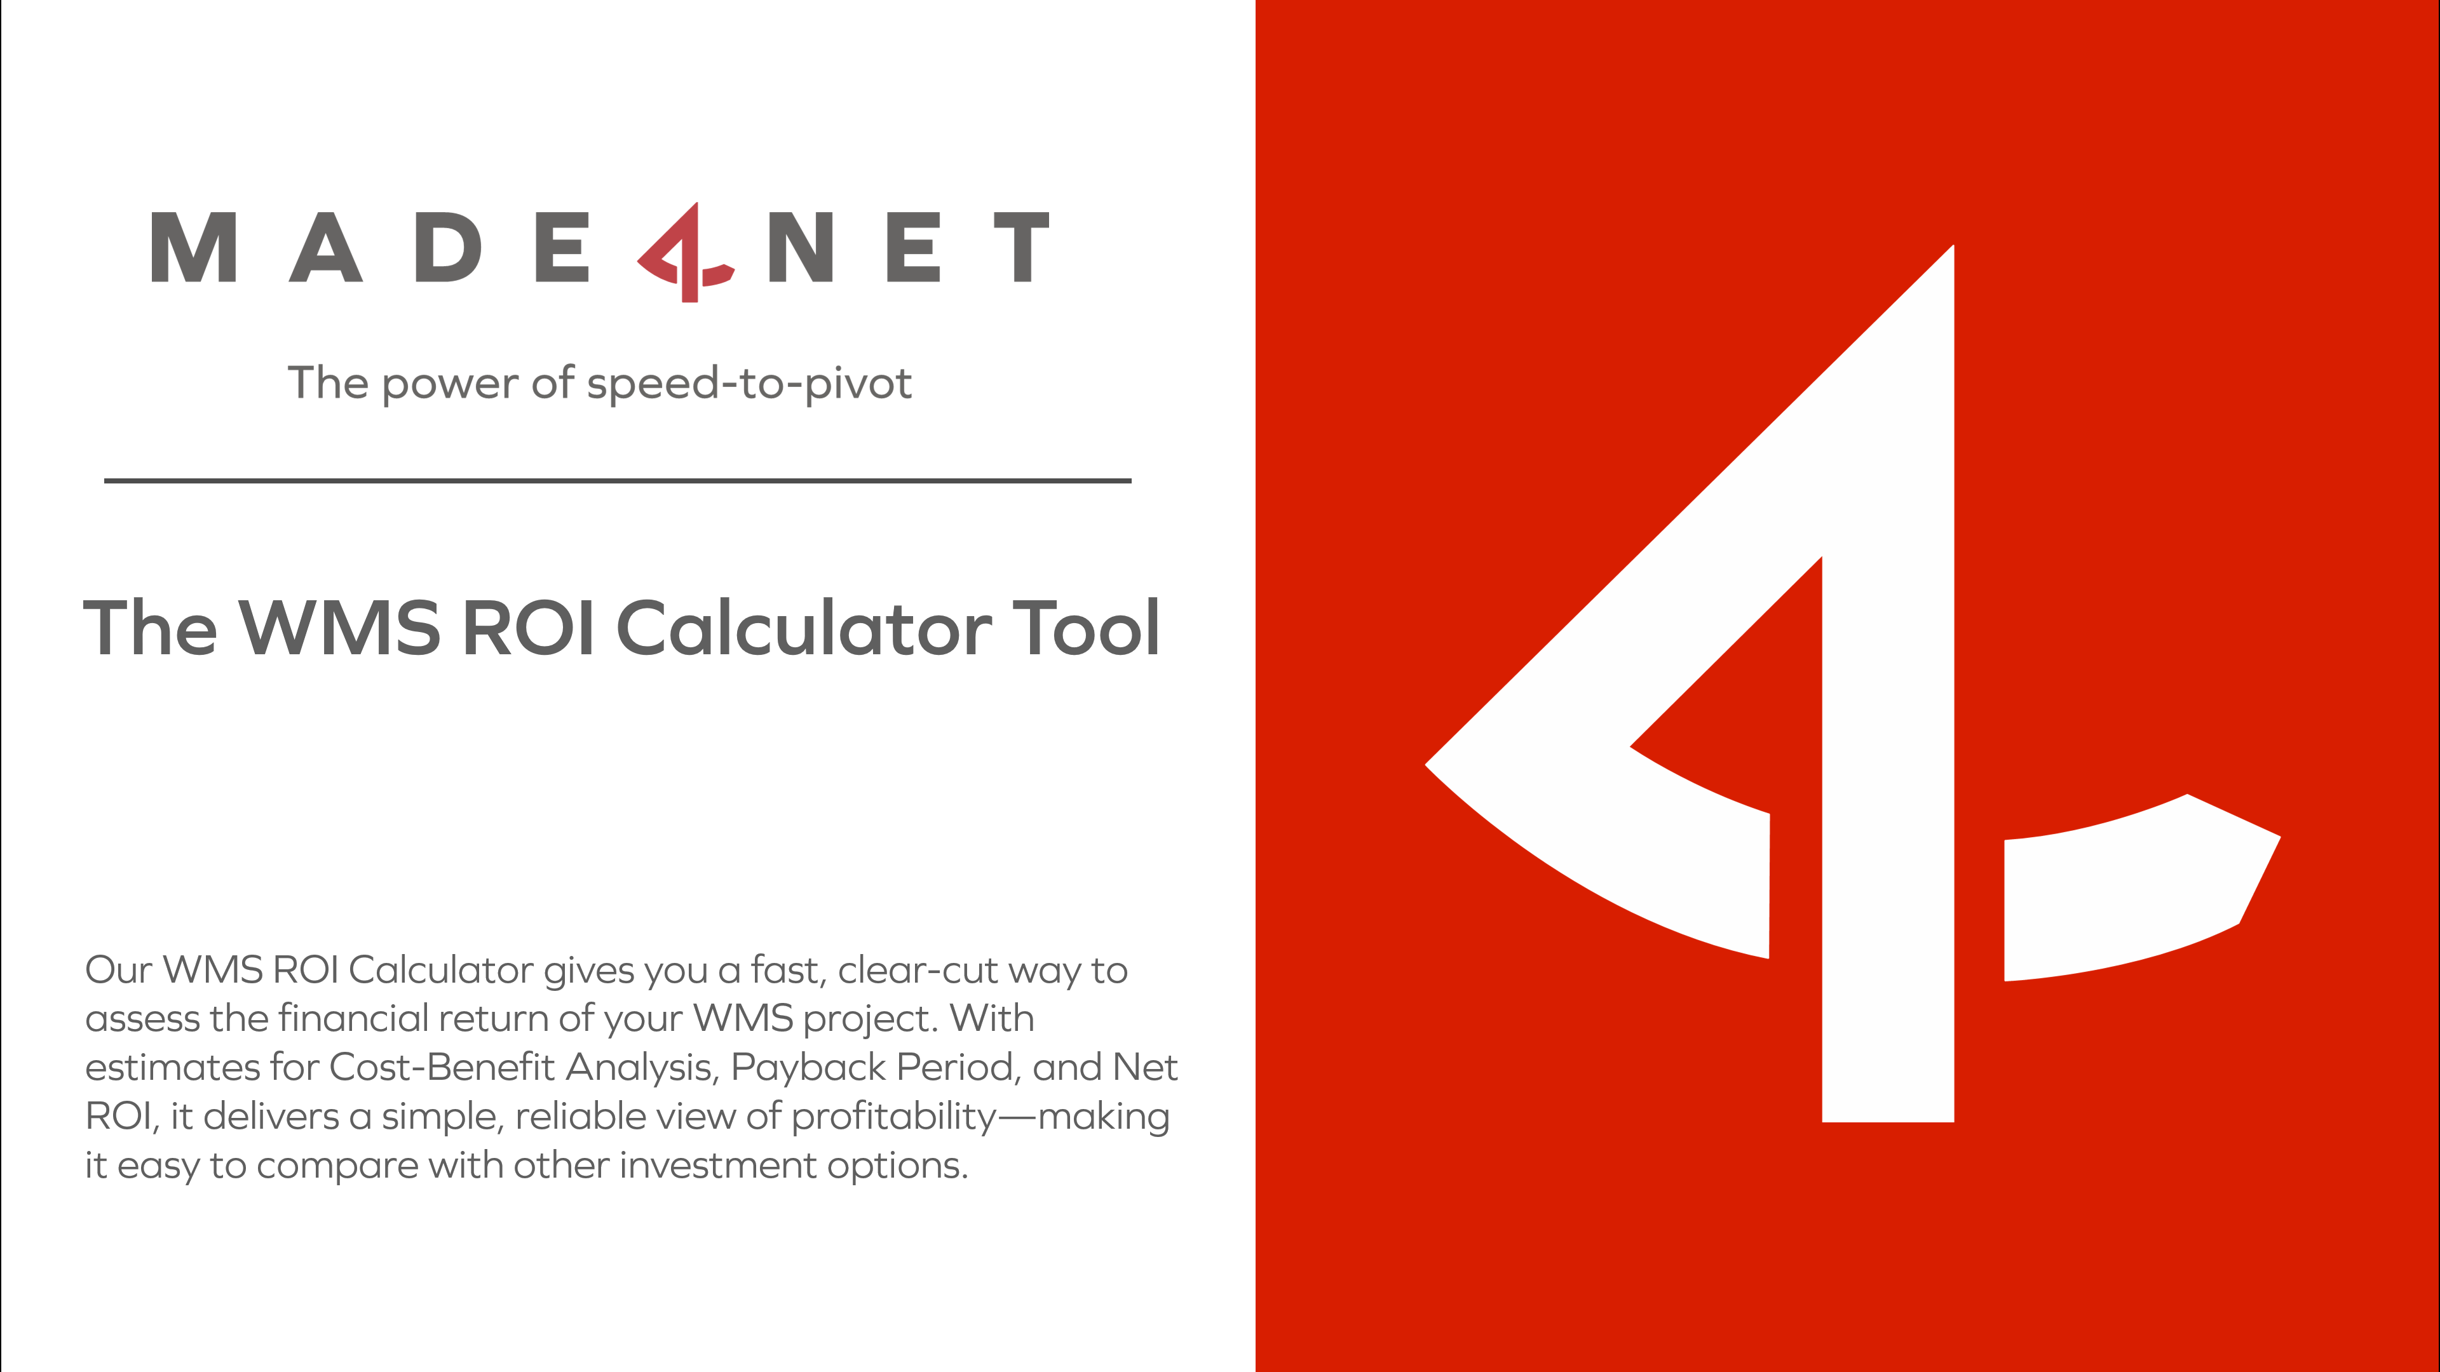

Instructions
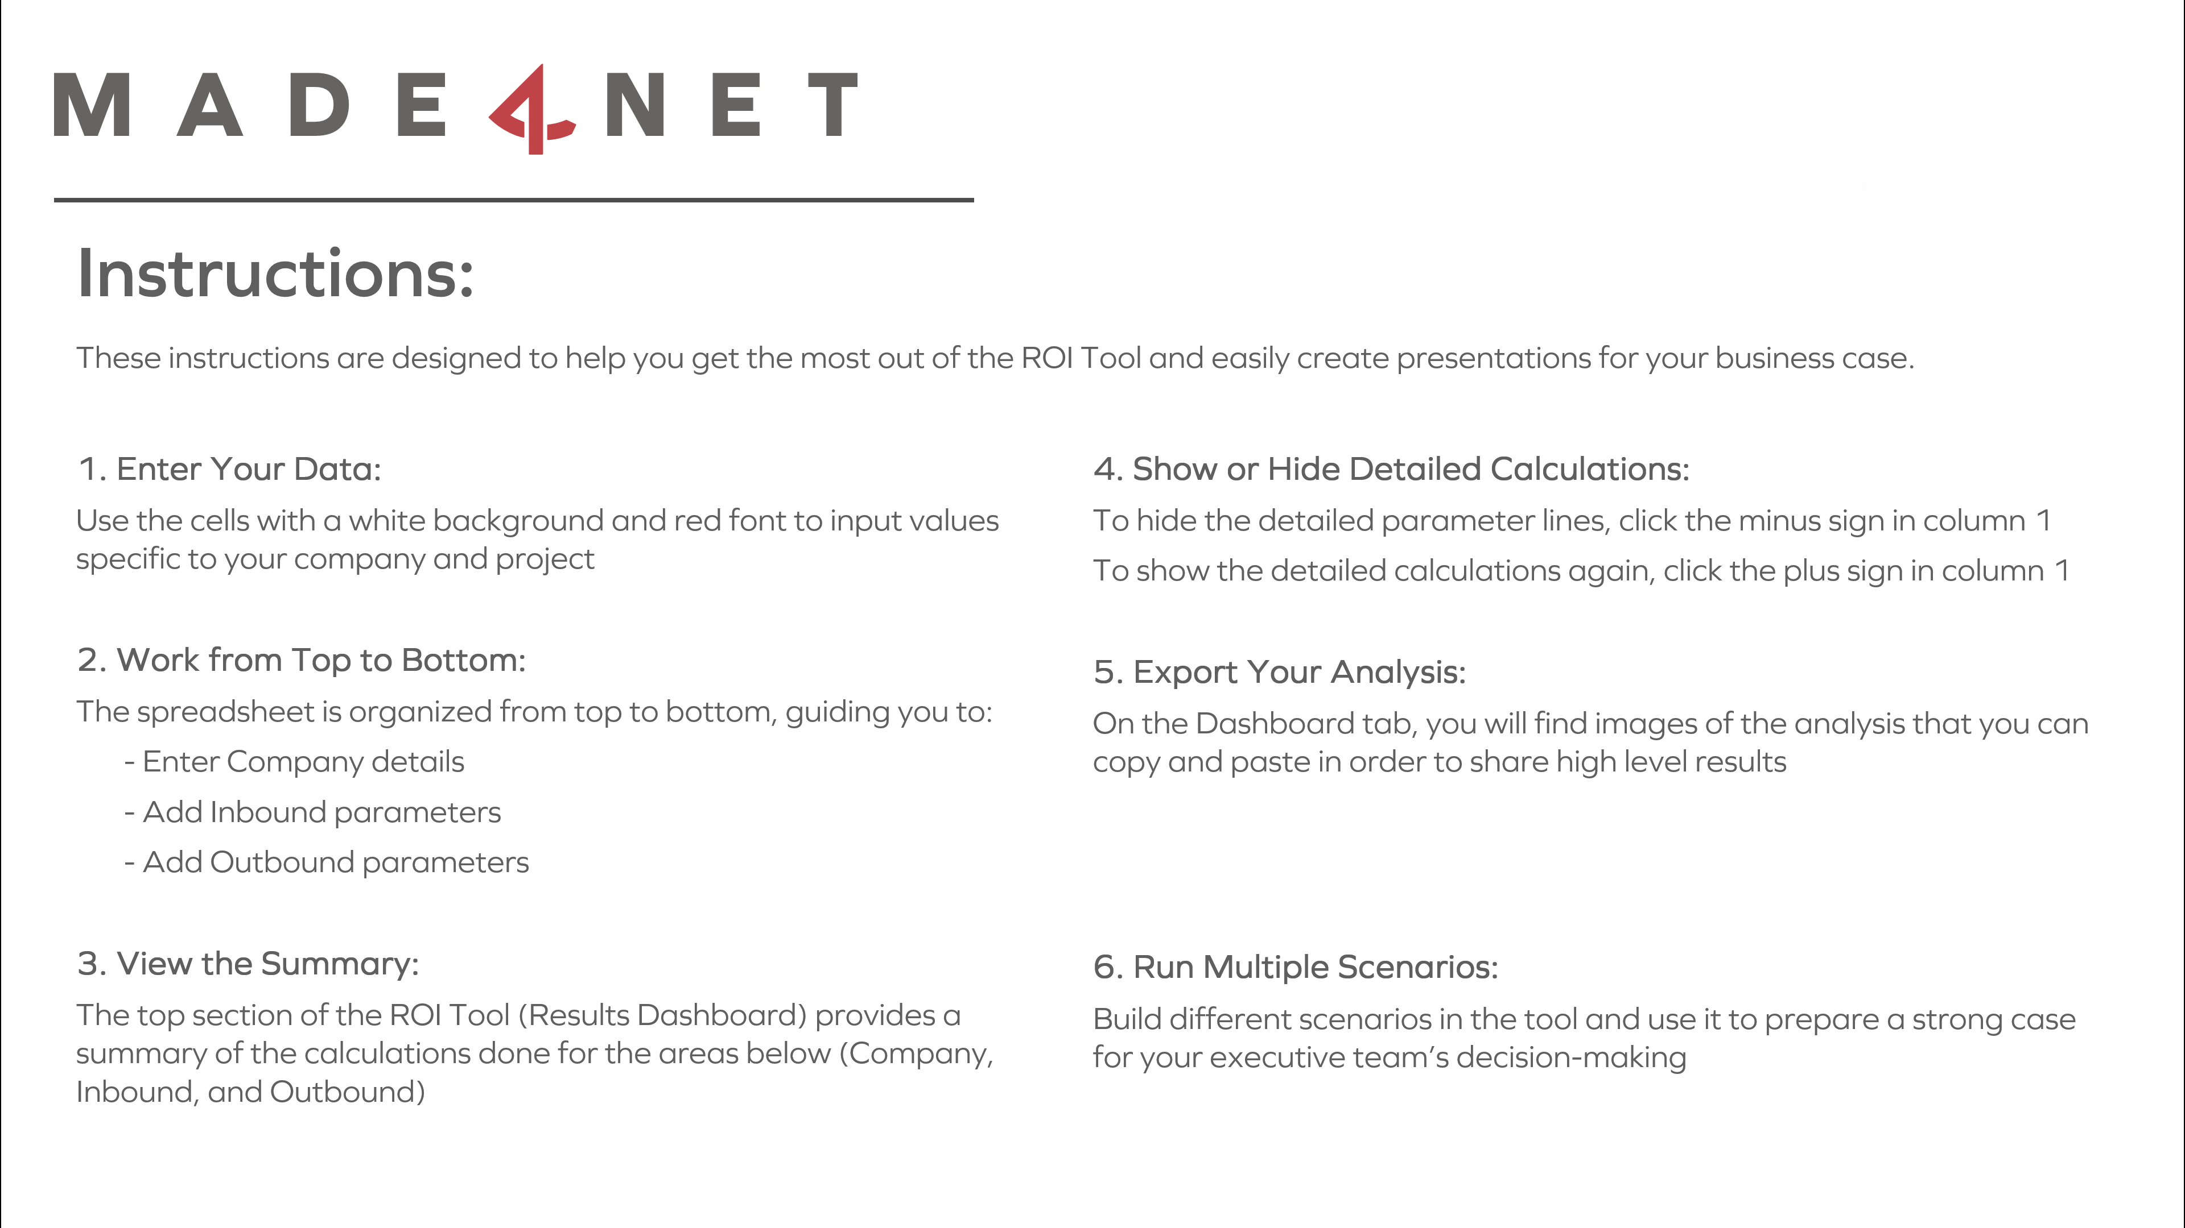

Dashboard
Source of Savings
A - Inbound Savings | $337,573
B - Outbound Savings | $1,439,341
ROI in 5 Years
 | Total Investment Per Year: | Total Annual Savings: | Total ROI in 5 years
Year 1 | 500,000 | 164,667 | ($352,099)
Year 2 | 100,000 | 259,815 | ($193,508)
Year 3 | 30,000 | 366,001 | $185,779
Year 4 | 31,500 | 481,823 | $742,439
Year 5 | 33,075 | 504,608 | $1,381,369
Benefit Source per year
 | Inbound annual errors savings: | Inbound productivity savings: | Inbound training savings: | Outbound annual errors savings: | Outbound productivity savings: | Outbound training savings:
Year 1 | $6,520 | $10,243 | $13,059 | $18,337 | $51,215 | $65,294
Year 2 | $14,170 | $20,848 | $13,451 | $39,852 | $104,241 | $67,253
Year 3 | $23,096 | $32,470 | $13,854 | $64,958 | $162,352 | $69,270
Year 4 | $33,463 | $44,771 | $14,270 | $94,116 | $223,855 | $71,348
Year 5 | $36,363 | $46,298 | $14,698 | $102,271 | $231,489 | $73,489

About Made4net
